target spec sheet steam module
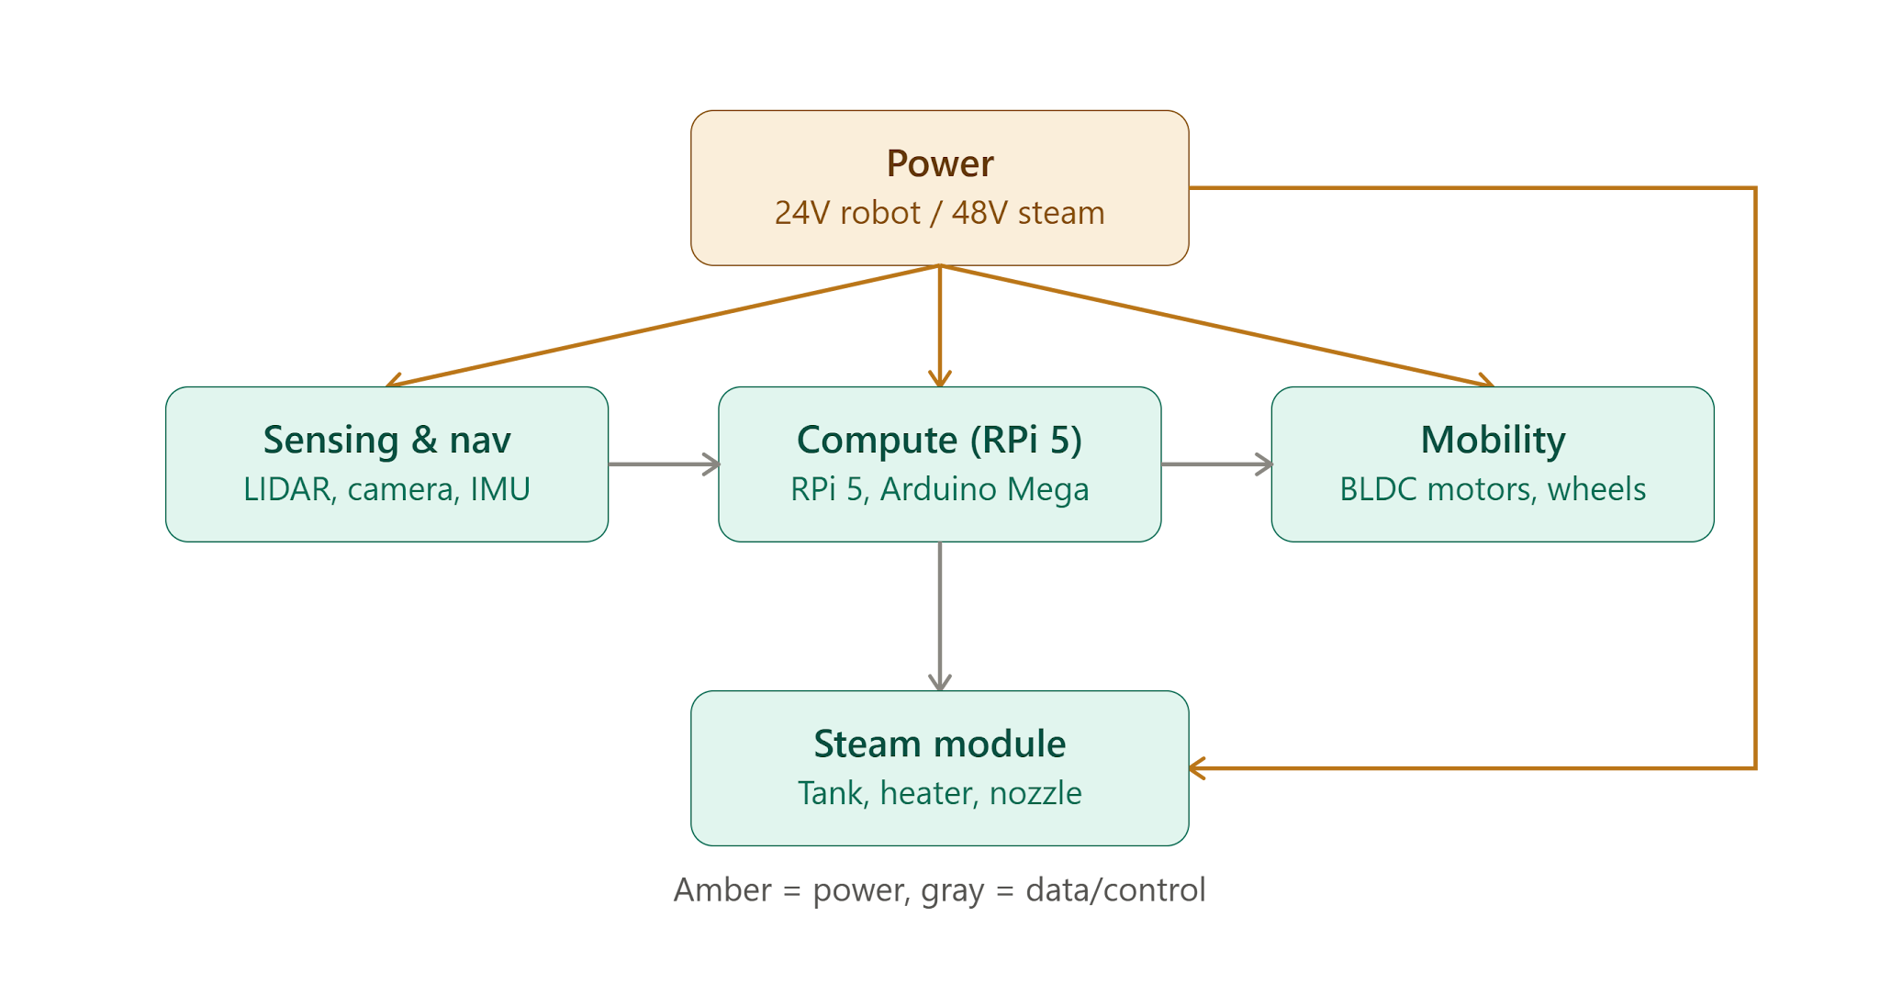
What boiler wattage (W) is in the steam cleaner you're buying? What battery voltage are you planning (24V, 48V, or 72V)? How many hours of runtime do you need between charges?

Steam module Archittecture
 | System-level architecture: 48V DC, battery-fed, no AC inverter stage. Target runtime: 60–90 minutes between charge/dock cycles. Approach: components sourced independently

1. Flow-Through Heater (Instant / Coil Heater) | 48V DC — the heater's input power/control voltage. This is the one that ripples out to everything else (battery, pump, valve) since you want the whole water path on one consistent voltage rather than mixing 24V and 220V AC components. 500–1000W — the heater's power rating. This is the number that drives your battery sizing. 0.3–1.0 L/min — this is really a heater-and-pump-together number. It's the flow rate the heater is rated to bring up to temperature at that wattage — if you push more water through than the heater can handle, it comes out lukewarm; less, and you waste power. So when you spec the heater, you size the pump to match this same flow window, not independently. <100°C outlet temp — the heater's max output temperature spec. Dry-run protection — a safety feature built into the heater itself (a sensor/cutoff that shuts off power if no water is flowing through the coil, so it doesn't overheat and burn out). SS304/316 wetted parts — this one applies to anything touching the water, not just the heater: the heater coil, the pump's internal diaphragm/housing, and the tank. Ask about material on all three, not just the heater.
 | 48V DC architecture, 500–1000W flow-through heater, 0.3–1.0 L/min flow rate, <100°C outlet temp, dry-run protection, SS304/316 wetted parts.

 | Spec | Target
 | Voltage | 48V DC
 | Power | 500–1000W
 | Max outlet temp | <100°C (target 80–100°C)
 | Flow rate rating | 0.3–1.0 L/min
 | Wetted material | Stainless steel 304 or 316
 | Dry-run protection | Required (built-in)
 | Duty cycle | Continuous
 | Form factor | Coil / flow-through block — not a tank/boiler

2. Water Pump (DC Diaphragm Pump) | Spec | Target
 | Voltage | 24V or 48V DC (match heater if possible)
 | Flow rate | 0.3–1.0 L/min (must match heater rating)
 | Type | Diaphragm, self-priming
 | Wetted material | SS304/316 or food-grade plastic rated for hot water
 | Max pressure | Only what the steam bar/nozzle design needs — low pressure (target 1–4 bar)

3. Temperature Sensor | Spec | Target
 | Type | PT100 or NTC
 | Range | Ambient to 110°C+ (headroom above the 100°C target)
 | Mounting | Inline probe, sized to your water line diameter
 | Output | Compatible with your controller (e.g. MAX31865 breakout for PT100)

4. Solenoid Valve | Spec | Target
 | Voltage | 24V or 48V DC
 | Type | Normally closed, water-rated
 | Wetted material | SS304/316 or compatible plastic
 | Port size | Match your tubing/hose diameter

5. Water Tank | Spec | Target
 | Material | Stainless steel (304/316) or food-grade plastic
 | Capacity | TBD once flow rate × target runtime and the other specs are locked
 | Mounting | Must fit the robot chassis footprint — need to confirm dimensions before ordering

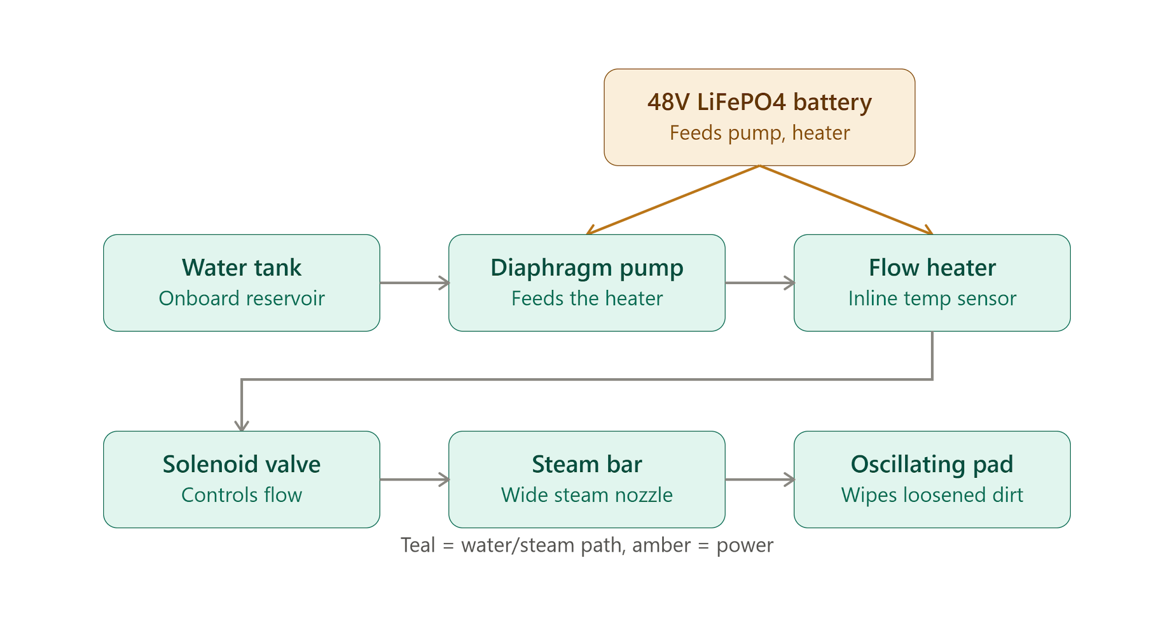
baterry | to be decided later

